Label Protocol-20190725
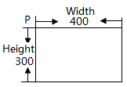
Label Protocol
width: the block width, unit: dot (eg: P,400,300 means printing 400 dots width = 400/8 mm = 50mm width) height: the block height, unit: dot (eg: P,400,300 means printing 300 dots height = 300/8 mm = 37.5mm width) X: The distance between left edge of printing block to left edge of label Y: The distance between top edge of printing block to top edge of label font size: the size of charactor - 10 rotation: 0 (_0), 1(_90), 2(_180), 3(_270), represents the rotation Angle of the block tab order: means the z-index
Description | Command type | Remark
Create a Label Template | P | format:P,width,height explanation: width：Width of label（unit: dot） height：Height of label（unit: dot） eg： P,400,300
Create a Text Block | TB | 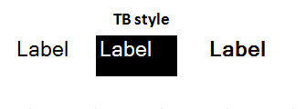 format:TB, X, Y, width, height, font size, width ratio, heigh ratio, TB style, rotation,TEXT,content,tab order explanation: width ratio: The width of the print = width * (width ratio) height ratio:The height of the print = height * (width ratio) TB style: 0(normal, backcolor is white and font color is black), 1(Backcolors change to black and font color changes to white), 2(normal and font changes to bold) TEXT: command type, means printing with content (charactor string) content: directly displayed eg: TB,65,82,224,74,10,1,1,0,2,TEXT,Apple,1
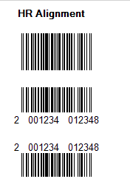
Create a variable Text Block | TB | format:TB,X,Y,width,height,font size,width ratio,heigh ratio,TB style,rotation,DATA,variable name,default value,Alignment,MaxLength,tab order explanation: width ratio: The width of the print = width * (width ratio) height ratio:The height of the print = height * (width ratio) TB style: 0(normal, backcolor is white and font color is black), 1(Backcolors change to black and font color changes to white), 2(normal and font changes to bold) DATA: command type, means printing with variable name variable name: printing data according to this field in the database default value: default printing content when wrong variable name occurs Alignment: 1（left justifying）| 2（center justifying）| 3（right justifying） MaxLength: The maximum length of the data display, Do not display beyond eg: TB,30,51,130,30,0,1,1,2,0,DATA,Product_name,apple,1,25,1
Create a Barcode | B | format:B,X,Y,width,height,Line width,barcode type,rotation,HR Alignment,content , tab order explanation: Line width: line width of barcode line barcode type: read the sheet of "Barcode Type" HR Alignment: N(NONE) | BC(BOTTOM_CENTER) | TC(TOP_CENTER) content: [TEXT,content][DATA,variable name,default value,Alignment,MaxLength]..... eg: B,66,78,50,150,2,E30,0,BC,TEXT,2,TEXT,0,DATA,Total_price,01234,3,5,DATA,Gross,01234,3,5,0
Create a Line | L | format:L,X1,Y1,X2,Y2,Line width,LineStyle,tab order explanation: X1: The starting X coordinates, Y1: The starting Y coordinates, X2: The ending X coordinates, Y2: The ending Y coordinates, LineStyle: 0(solid), 1(dot), 2(dash), 3(dash-dot), 4(dash-dot-dot), 5(custom) eg: L,63,133,153,133,2,0,0
Create a image | G | format:G,X,Y,width,height,path,tab order explanation: path:The path of the image and file name in the system eg: G,74,55,100,100,/opt/Tscale/format_label/12603.jpeg,0
Create a oval | O | format: O,X,Y,width,height,linewidth,LineStyle,tab order Explanation: LineStyle: 0(solid), 1(dot), 2(dash), 3(dash-dot), 4(dash-dot-dot), 5(custom) eg: O,30,250,130,310,1,0,4
Create a dynamic image (replaceable picture) | GP | format：GP,X,Y,width,height,path Explanation：
Create a ORCode | QR | format： QR,X,Y,version,Matrix Size,grade,null,content,tab order Explanation： version: QR version, default 1 grade: Error correction level content: [TEXT,content][DATA,variable name,default value,Alignment,MaxLength] ..... eg: QR,108,77,1,6,1,,TEXT,123,DATA,remark1,0123456789,0,100,0

Label Protocol
Label Protocol
Version:V1.0 Author:MaJiang Date:2016/10/10
Description | Function | Parameter | Parameter | Parameter | Parameter | Parameter | Parameter | Parameter | Parameter | Parameter | Parameter | Parameter | Parameter | Parameter | Parameter | Parameter | Example | Result | File
Create a new Template | P | Width | Height |  |  |  |  |  |  |  |  |  |  |  |  |  | P,400,300
Product_name
Create a Text Line or Data Line （Data is a variable） (不推荐使用，) | A | Location X | Location Y | Default 0 | Default 1 | Default 1 | Style 0:No changes 1:Backcolors change to black and font color changes to white (Data is not supported) 2:Changes to bold | Default 0 | Default 0 | Type DATA: data is variable TEXT: text is constant | Name DATA: displayed according to this field in the database query. TEXT: directly displayed | Default DATA:If the query is empty, the default value is displayed | Alignment DATA:Default 1 | MaxLength DATA:The maximum length of the data display, Do not display beyond |  |  | DATA: A,0,0,0,1,1,0,0,DATA,Product_name,Product_name,1,255 TEXT: A,0,50,0,1,1,0,0,TEXT,Product_name | Product_name
Address
Create a Text Block or Data Block （Data is a variable） | TB | Location X | Location Y | Size Width | Size Height | Default 0 | Default 1 | Default 1 | Style 0:No changes 1:Backcolors change to black and font color changes to white (Data is not supported) 2:Changes to bold | Default 0 | Default 0 | Type DATA: data is variable TEXT: text is immutable | Name DATA: displayed according to this field in the database query. TEXT: directly displayed | Default DATA:If the query is empty, the default value is displayed | Alignment DATA:Default 1 | MaxLength DATA:The maximum length of the data display, Do not display beyond | DATA: TB,0,0,100,100,0,1,1,0,0,DATA,Address,Address,1,255 TEXT: TB,100,100,100,100,0,1,1,0,0,TEXT,Address
Create a Barcode | B | Location X | Location Y | Size Width | Size Height | Line width | Barcode Type | Default 0 | Default N | Type DATA: data is variable TEXT: text is constant | Name DATA: displayed according to this field in the database query. TEXT: directly displayed | Default DATA:If the query is empty, the default value is displayed | Alignment DATA:Default 1 | MaxLength DATA:The maximum length of the data display, Do not display beyond |  |  | DATA: B,0,0,50,2,2,E30,0,N,TEXT,20,DATA,Total_price,12345,0,5,DATA,Gross,12345,0,5 TEXT: B,0,50,50,2,2,E30,0,N,TEXT,6901234567892
Create a Line | L | Point X1 | Point Y1 | Point X2 | Point Y2 | Line width | Default 0 |  |  |  |  |  |  |  |  |  | L,0,10,100,10,2,0
Create a image | G | Location X | Location Y | Size Width | Size Height | Path /opt/Tscale/format_label/logo.jpg |  |  |  |  |  |  |  |  |  |  | G,0,0,120,40,/opt/Tscale/format_label/logo.jpg
oval | O | Rules： O,posx,posy,width,height,linewidth,linestyle Explanation:(Errors on width and height, subject to actual printing ) O:oval mark on print format，posx:x-axis of oval upper left corner，posy:y-axis of oval upper left corner，width:width of oval，height:height of oval，linewidth:linewidth of oval，linestyle:line style of oval(0:SolidLine,1:DotLine,2:DashLine,3:DashDotLine,4:DashDotDotLine,5:CustomDashLine) |  |  |  |  |  |  |  |  |  |  |  |  |  |  | O,50,10,200,150,3,4
dynamic replaceable picture | GP | Rules： GP,posx,posy,width,height,path Explanation： 同G类型图片，仅识别标识不同，右侧样例中/opt/Tscale/format_label/logo.jpg会被动态替换，用以实现同一打印格式对应不同展示图片 |  |  |  |  |  |  |  |  |  |  |  |  |  |  | GP,0,0,120,40,/opt/Tscale/format_label/logo.jpg
二维码 | QR | 格式规则: QR,posx,posy,version,width,grade,content,null,null 规则说明: QR:打印格式二维码类型标识，posx:左上角x轴坐标，posy:左上角y轴坐标，version:二维码版本，width:每个模块的宽度，grade:纠错等级，content:二维码内容,null:占位用维持其它数据格式统一方便扩展 |  |  |  |  |  |  |  |  |  |  |  |  |  |  | QR,100,230,7,4,1,DATA,qrcode_bar_add,www.taiwanscale.com,0,200

Explanation:
1.The file extension must be .fmt
2.All parameters must be separated by comma delimiters.
3.The image file path is relative to the scale "/opt/Tscale/format_label" directory.

Label Transfer
Instruction on transferring a Label over the network
Step | Operating | Screenshot1 | Screenshot2 | Screenshot3 | Screenshot4
1 | Scale Communication Setting: A) eth0 Setting: Set an IP address for the scale or use DHCP. B) Ping Test: Ping the scale from your server. Make sure your scale and your computer network are connected. | 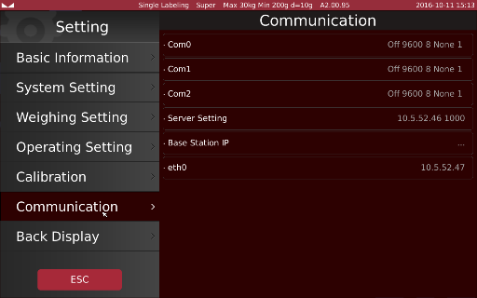 | 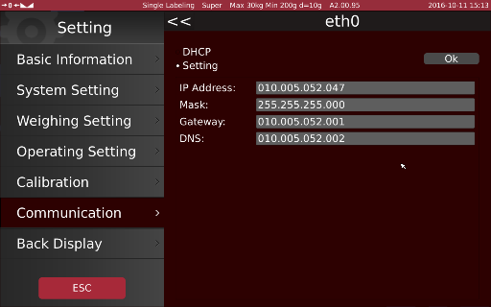 | 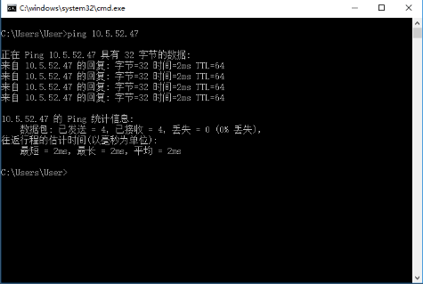
2 | Follow the label protocol to create your own label and its .fmt file: A)This is an example of label creation with T-Scale's existing software. B) The example GUI will generate a fmt file along with the image used in the software named "logo.jpg" | 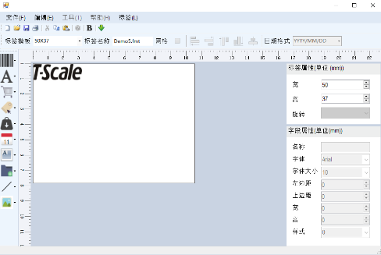 | 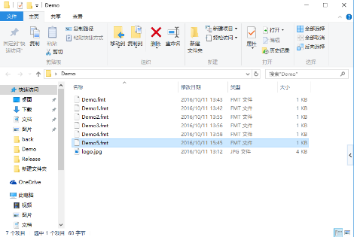 | 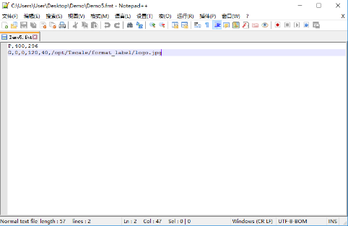
3 | Transfer Label from PC to scale(s) over TCP/IP. A) Create a ZIP file named "data-xxx.zip" which "xxx" can be any numbers-only representation of the current time to guarantee the uniqueness of the file name. For example, "data-131206464318444277.zip". Compress: 1) a "format_label" folder that includes the .fmt file and its image files. into the ZIP file. B) Currently the scale is the TCP Client and the PC is the TCP Server. Both scale and PC run on TCP Port 1000. PC should now establish the TCP connection to the scale. Send "set:data:filename:filelength\r\n" along with the "data-xxx.zip" as data stream over the TCP connection. "filename" and "filelength" should be the actual file name and file size of your "data-xxx.zip" file. | 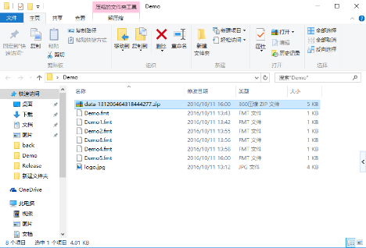 | 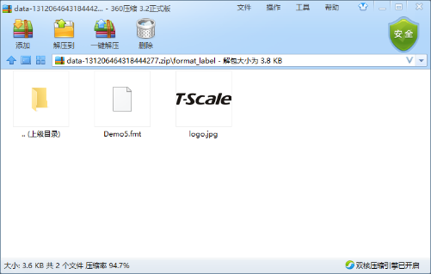 |  | 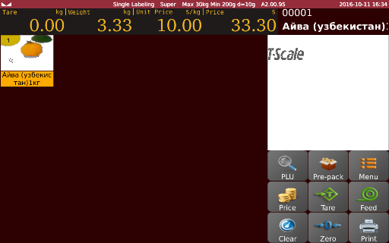

UI Transfer
How to transfer a UI over the network
Step | Operating | Screenshot1 | Screenshot2 | Screenshot3 | Screenshot4
1 | Scale Communication Setting: A) eth0 Setting: Set an IP address for the scale or use DHCP. B) Ping Test: Ping the scale from your server. Make sure your scale and your computer network are connected.
3 | Transfer Label from PC to scale(s) over TCP/IP. A) Create a ZIP file named "data-xxx.zip" which "xxx" can be any numbers-only representation of the current time to guarantee the uniqueness of the file name. For example, "data-131206464318444277.zip". Compress: 1) a "image_product" folder that includes all images used. 2) and/or the keys_keypage.csv file you created. 3) and/or the keys_keypage.csv file you created. into the ZIP file. B) Currently the scale is the TCP Client and the PC is the TCP Server. Both scale and PC run on TCP Port 1000. PC should now establish the TCP connection to the scale. Send "set:data:filename:filelength\r\n" along with the "data-xxx.zip" as data stream over the TCP connection. "filename" and "filelength" should be the actual file name and file size of your "data-xxx.zip" file. | 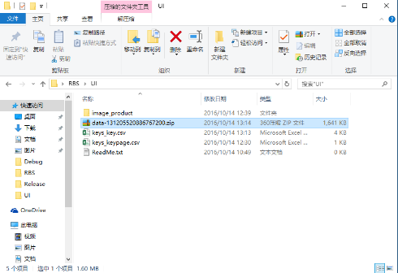 | 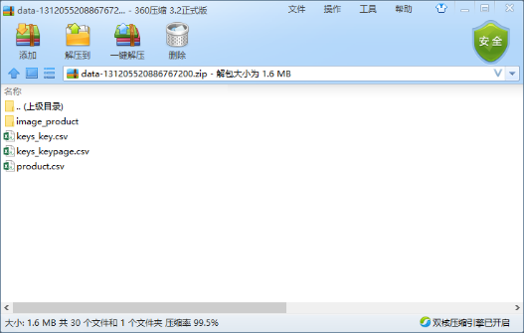 | 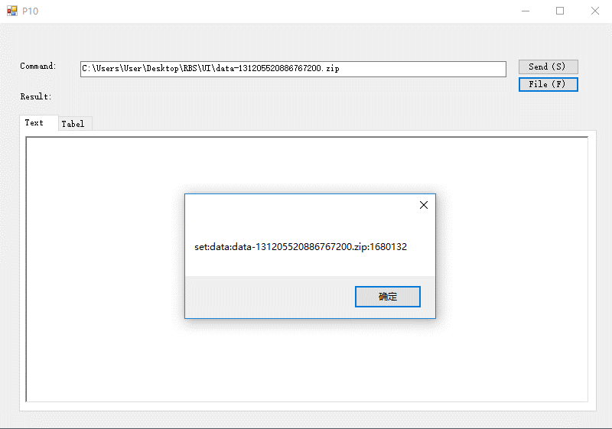 | 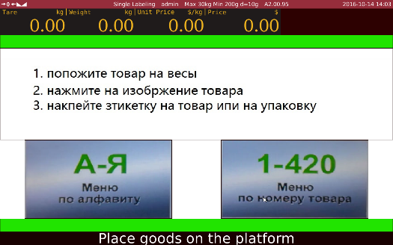

Screen Saver
Screen Protocol
Version:V1.0 Author:MaJiang Date:2016/12/19
tab_doc.csv
Id | doc_key | doc_value | doc_image | doc_remark
1 | shop_id | 1 | null | shop_id is Currently used Shop number
2 | branch_id | 1 | null | branch_id is Currently used Switch department
3 | pos_no | 1 | null | pos_no is Currently used scale number
4 | screensaver | screensaver1.png | null | screensaver doc_value is image name,doc_image is LongBlob

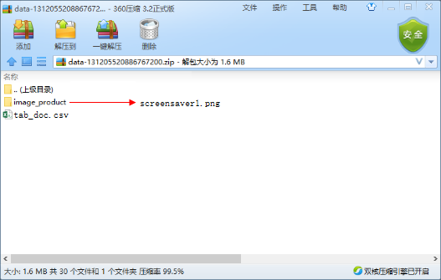

1.The transfer method is the same as the Label or UI

Sheet3
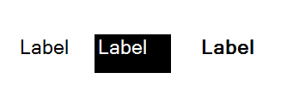
TB style

